info
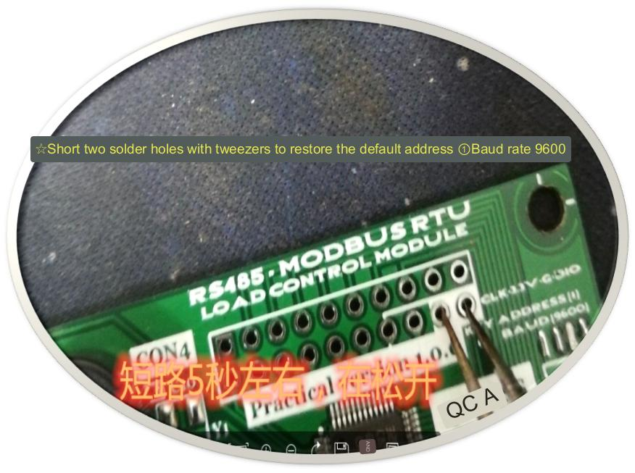
the code | Chinese name | Register PLC address | bit operation/word operation | number of operations
01 | read coil status | 00001-09999 | bit manipulation | single or multiple
02 | Read Discrete Input Status | 10001-19999 | bit manipulation | single or multiple
03 | read holding register | 40001-49999 | word operation | single or multiple | Output parameters or hold parameters, certain parameters that are set while the controller is running. Readable and writable. Analog output.
04 | read input register | 30001-39999 | word operation | single or multiple | Input parameters or parameters obtained from external devices while the controller is running. Readable but not writable. Analog input.
05 | write a single coil | 00001-09999 | bit manipulation | single
06 | write a single holding register | 40001-49999 | word operation | single
15 | write multiple coils | 00001-09999 | bit manipulation | many
16 | Write multiple holding registers | 40001-49999 | word operation | many

Register PLC address | Register Protocol Address | Applicable function | Register type | Read and write status
00001-09999 | 0000H-FFFFH | 01H/05H/0FH | coil status | read/write
10001-19999 | 0000H-FFFFH | 02H | Discrete Input Status | readable
30001-39999 | 0000H-FFFFH | 04H | input register | readable
40001-49999 | 0000H-FFFFH | 03H/06H/0FH | holding register | read/write

The register PLC address refers to the address stored in the controller. These controllers can be PLCs, touch screens, or text displays. The PLC address is generally described in decimal, with a total of 5 digits, of which the first digit is the code register type. The corresponding relationship between the first digit and the register type is shown in Table 1. PLC address such as 40001, 30002, etc.

The register agreement address refers to the address of the register used in communication. For example, the PLC address 40001 corresponds to the address 0x0000, and 40002 corresponds to the address 0x0001. The register address is generally described in hexadecimal. For another example, the PLC register address 40003 corresponds to the protocol address 0002, and the PLC register address 30003 corresponds to the protocol address 0002. Although the two PLC registers use the same address when communicating, they need to use different commands to access, so when accessing There is no conflict.

slave address | function code | Register start address high eight bits | The lower eight bits of the register start address | The high eight bits of the number of registers | The lower eight bits of the number of registers | The high eight digits of the check code | The lower eight digits of the check code

command message:The length of each function message is 8 bytes
Function Description | slave address | function code | data address |  | Number of data N/data |  | CRC check
 |  |  | high byte | low byte | high byte | low byte
take up space | 1 byte | 1 byte | 1 byte | 1 byte | 1 byte | 1 byte | 2 bytes

response message: The message length of different functions will be different
Function Description | slave address | function code | data area word | data |  |  | CRC check
 |  |  | Number of sections (2*N)/none | first data (high/low) | second data | Nth data
take up space | 1 byte | 1 byte | 1 byte | 2 bytes | 2 bytes | 2 bytes | 2 bytes
 |  |  | initial address

Note: Broadcast command: It is convenient to set all the slave parameters uniformly, but do not use it to modify the device address, otherwise it will cause all the slave addresses on the communication bus to be the same, resulting in communication address conflicts. The following is the broadcast command sent Reference example: Turn on the buzzer of all slaves connected to the bus: 00 10 00 07 00 01 02 00 01 crc Turn off the buzzer of all slaves connected to the bus: 00 10 00 07 00 01 02 00 00 crc

Holding Register 03H/06H | Can read Can Write | address righteous | address solution release
register address | PLC address
0x0000 | 40001 | Slaveaddress | (Canset upZhitongnewsaddress rangearound1-255) (equipmentaddress(0)yeswidebroadcast addressonlysupport command0x16Writemanyindivualholding registers)
0x0001 | 40002 | Measurement Quantity mode | (0.CV) (1.CC) (2.CW) (3. CR) (4.CV+CC) (5.dynamicmodel)(10.list mode) ((11-15.Set list test parameterscycle and test value))
0x0002 | 40003 | Measurement quantity switch | (0.OFF 1.ON) (Dynamic Testingmodelfill incyclevalue, listtestmodelset upreset cyclevaluelike:Writeentervalue100Right nowyes100millisecond)
0x0003 | 40004 | Voltage value | onebits (twobit smallnumber)CertainlyVoltage value cv
0x0004 | 40005 | electricity flow value | onebit (three smallnumber)Certainlyelectricityflowvalue CC
0x0005 | 40006 | Constant power value | onebits (twobit smallnumber) constant powervalue CW
0x0006 | 40007 | electricity value | onebit (a smallnumber)Certainlyelectricityblockvalue CR
0x0007 | 40008 | operate options | (1.turn onbeeNarutoalertreport)(2.turn onscatteredhot airfan)(10.Capacity wattsShi Qingzero)(70.cutchange checklookdetection temperatureExplorationhead2)(120.saveset upset, saved successfullywill returnzero ) |  |  |  |  | Note: Set the current rising and falling speed mode, such as writing 100=100mA/us in the register address ② and then writing the value 65529 in the register address ⑦ to save the current rising speed ↑, and writing the value 65530 to save the current falling speed ↓
0x0008 | 40009 | Pass news baud rate | (non-technicalsurgerypeoplemember,cautiousoperate)(RS485PassnewsThe port supports up tonewsbaud rate19200bps @ TTLPorts are not restricted ) |  |  |  |  | Note: The default communication baud rate value 9600bpsBuilt-in standard communication baud rate:600, 1200, 2400, 4800, 7200,9600, 14400, 19200, 38400, 43000, 56000, 57600, 76800, 115200, 128000, 256000
0x0009 | 40010 | Correction Measured voltage value | (non-technicalsurgerypeoplemember,cautiousoperate) (After the calibration is completed, it needs to be saved.pleaseat address7loseentervalue 120)
0x0010 | 40011 | Correction Test voltage value | (non-technicalsurgerypeoplemember,cautiousoperate) (After the calibration is completed, it needs to be saved.pleaseat address7loseentervalue 120)
0x0011 | 40012 | Correction test electricity flow value | (non-technicalsurgerypeoplemember,cautiousoperate) (After the calibration is completed, it needs to be saved.pleaseat address7loseentervalue 120)
0x0012 | 40013 | Correction lose out electricity flow value | (non-technicalsurgerypeoplemember,cautiousoperate)(After the calibration is completed, it needs to be saved.pleaseat address7loseentervalue 100)

Input Register 04H | Onlyread | address definition | address resolution
register address | PLC address
0x0000 | 30001 | Slave address
0x0001 | 30002 | Measurement Quantity mode | ( 0.CV) (1.CC) (2.CW) (3. CR) (4.CV+CC) (5.Dynamic test mode) (Note: The sequence of the current list test mode is displayed in the list test mode)
0x0002 | 30003 | Measurement quantity switch | (0.OFF) (1. ON)(Another example: the list mode displays the period value of the current list modeunit (milliseconds))
0x0003 | 30004 | temperature Spend Measurement quantity | Unit (°C)Temperature detection probe 1 /Temperature detection probe 2(Note: check the temperature detection probe2, you need to save the register address0x0007to write70)
0x0004 | 30005 | temperature Spend Measurement quantity | Unit (one decimal ℃) CPUtemperature detection (and ambient temperature difference8~10°C)
0x0005 | 30006 | Measurement quantity Voltage | Unit (three decimal places) DVMMeasuring voltage
0x0006 | 30007 | quilt Measuring voltage | Unit (two decimal places) test voltage
0x0007 | 30008 | quilt Measuring electricityflow | Unit (three decimal places) test current
0x0008 | 30009 | quilt Measurement power | Unit (two decimal places) test power
0x0009 | 30010 | quilt Measurement blockvalue | Unit (one decimal) test resistance
0x0010 | 30011 | quilt Measurement capacity | Unit (mAh) Test capacity
0x0011 | 30012 | quilt Measurement watthour | Unit (two decimal places) test watt-hour
0x0012 | 30013 | transport OK time | Unit (seconds) running time

03H
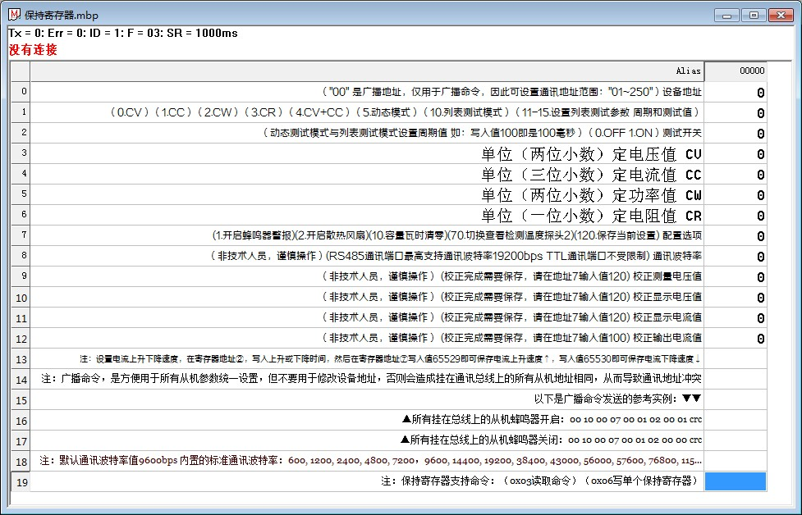

04H
